Q&A
Date | Snapshots | Context | Question | Status
2014-12-10 | 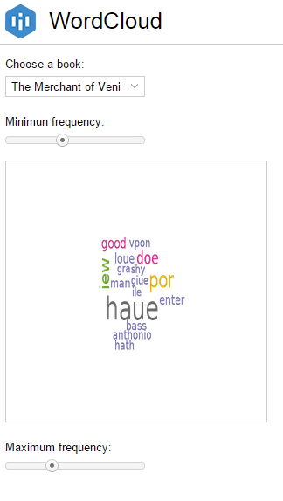 | The field "choose the book" does not show the full name of the selected book | Is it possible to adapt the size of the dropdown list? | in progress
2014-12-10 | 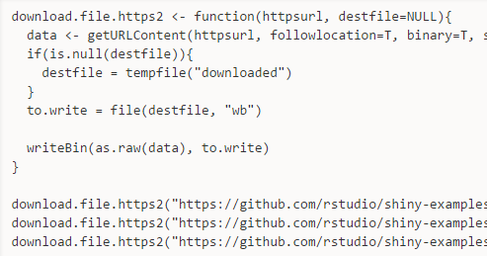 | The file to process is downloaded from GitHub | Where the data is stored? Is this a hosting service Intuitics provide? What is the hosting capacity? How long are the data hosted? What is the service offer associated? | closed
Snapshot from RStudio
2014-12-10 | 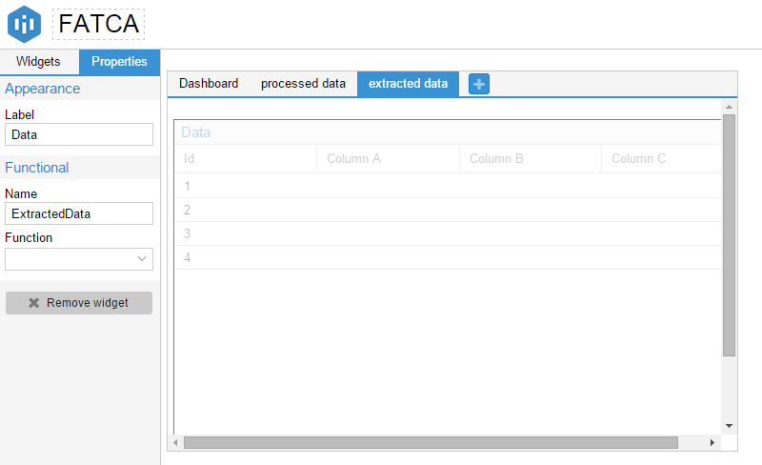 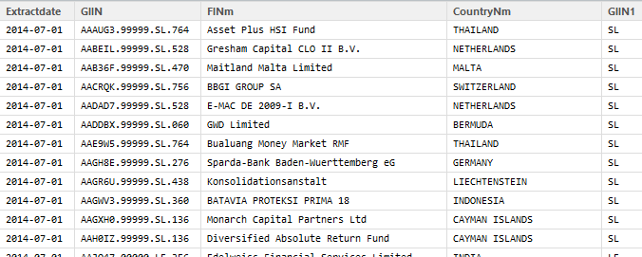 | I would like to upload a set of data and show the data processing: - tab "extract data"= compiles individuals files into one - tab "processed data"= gives a clean view of the data - tab "dashboard" gives a data vizualization view | Tab named "extracted data": Extracted data is the result of a preprocessing: - I did a printscreen of the table= View(f15) an pasted it into a printscreen of the application - could you please help me anderstand how to set this up in intuitcics. Is it possible to have information that are not generated from a function? - please ref my code and the Rcode in github | closed
Snapshot from RStudio
2014-12-11 | 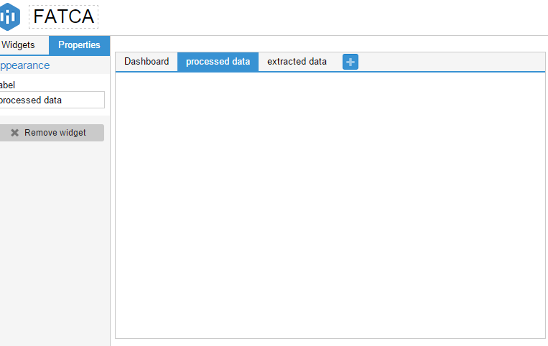 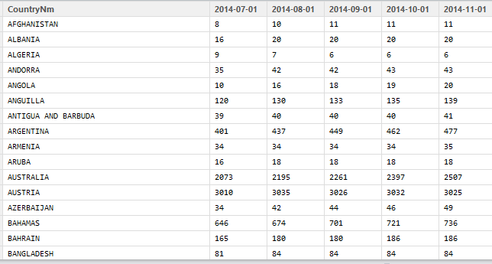 |  | Tab named "processed data": - I did a printscreen of the table= View(f19) an pasted it into a printscreen of the application - could you please help me anderstand how to set this up in intuitcics. Is it possible to have information that are not generated from a function? - please ref my code and the Rcode in github | closed
Snapshot from RStudio
2014-12-11 | 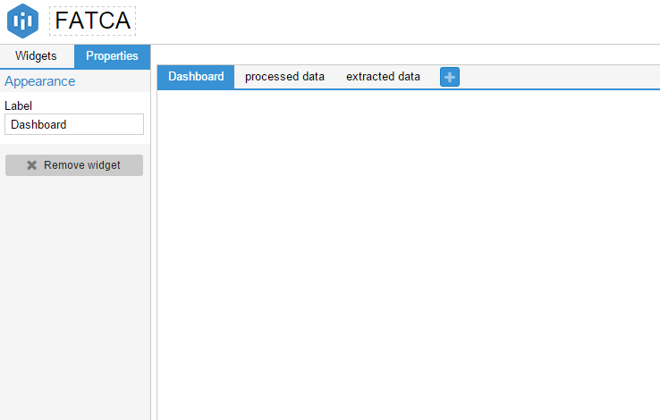 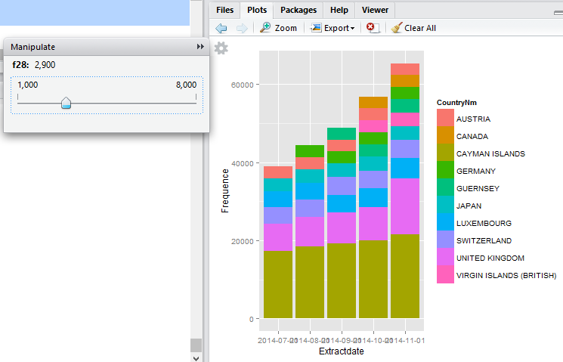 |  | Tab named "Dashboard": #1 Extracted data is the result of a preprocessing: - I did a printscreen of the graphe = "manipulate", f28 and f29 COMMENT: I used the Rpackage = manipulate for the slider - please ref my code and the Rcode in github | closed
Search field
Print button
2014-12-11 | 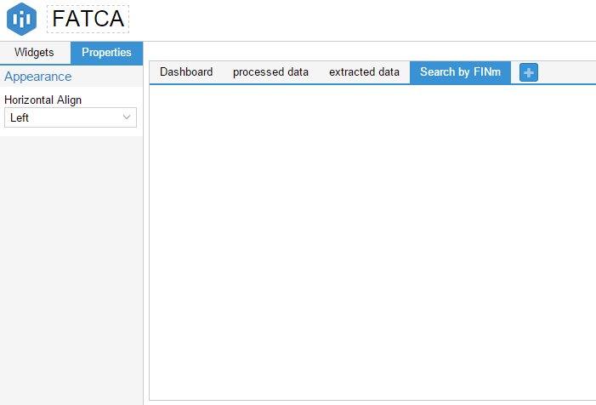 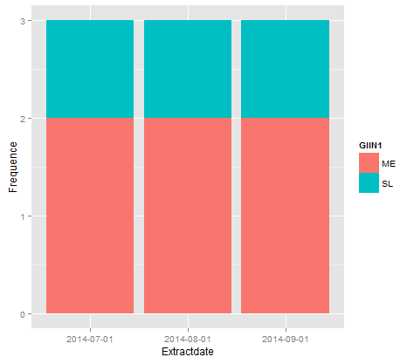 |  | Tab named "Search by FINm:#2 Extracted data is the result of a preprocessing: check Rcode row 123 to 135 - I did a filter on words in column FINm = nF15--> this would be a search field - Based on the search by character:, I want to be able to: > have a dedicated graph > a possibility to print the underlying table > to see the filtered table - please ref my code and the Rcode in github | closed
2014-12-11 | 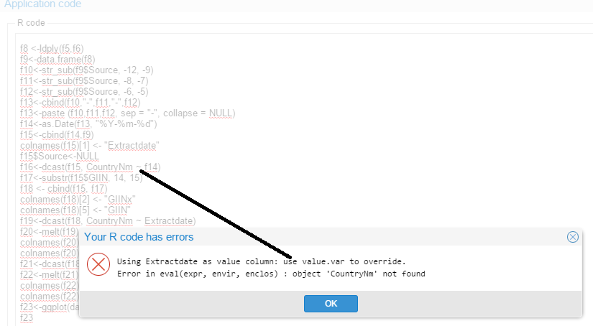 Rstudio Intuitics | - I would like to insert my code "FATCAIntuitics. R" defined in Rstudio. The file is in the repository in Github - Rstudio accepts some approximate coding: it gives a warning but no a blocking message. | - When copying and pasting the code in Inuitics, Intuitics considers as blocking the warnings from Rstudio. - Is it possible for Intuitics to consider the code with the same level of flexibility? | closed
OK
Not OK
2014-12-15 | 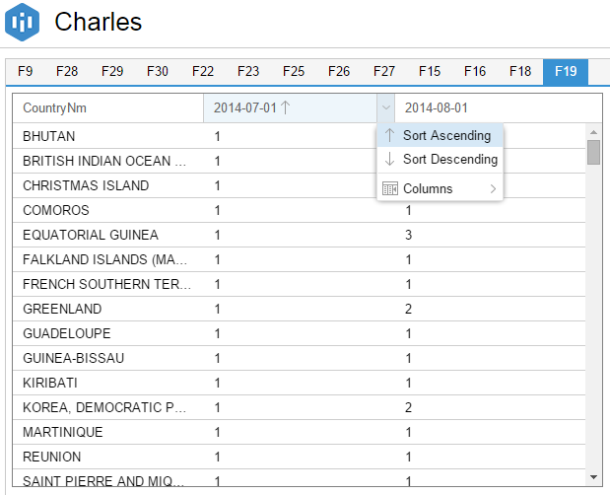 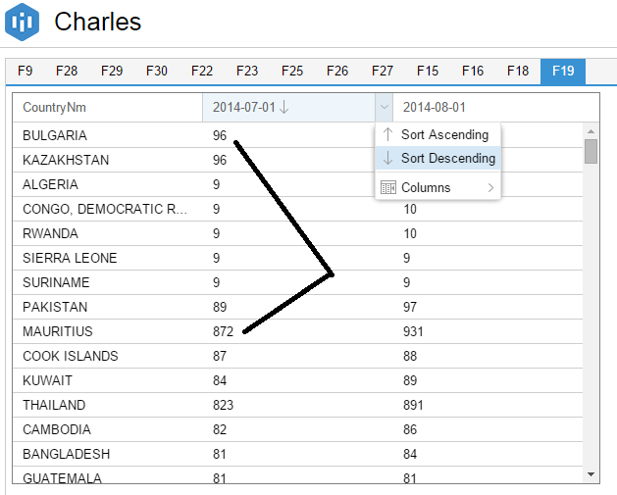 | Column sort: | "Sort ascending" is OK "Sort descending" not OK: I used the dcast function for the table f19. I don't know if the root cause is my data set or if it is a bug | closed
2014-01-05 | 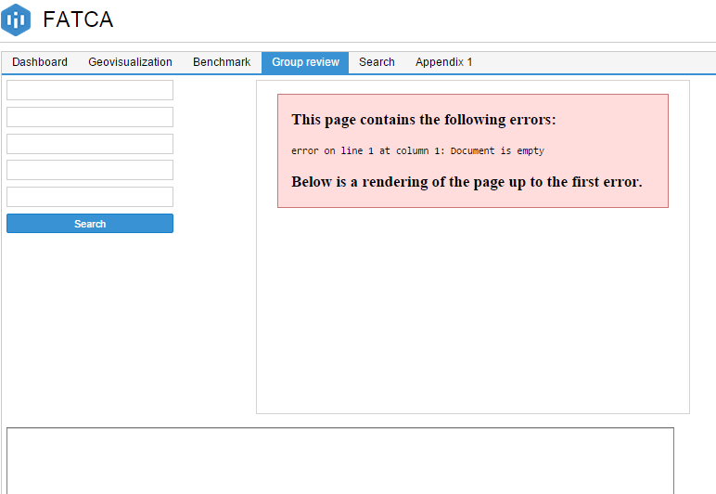 | App:https://www.intuitics.com/staging/#app/7/builder/interface Error message for gvisGeoChart | The gvisGeoChart depebds on the criteria beside. The data are emppty until the search fields are completed | closed
2014-01-05 |  | App:https://www.intuitics.com/staging/#app/7/builder/interface Search fields must all be filled in order to trigger the search button | Expected result. We should not be forced to complete all the fields before we trgger the search button | in progress
2014-01-05 |  | CSV file with separator = ";" does not seem to be readable by Intuitic | CSV file with separator = ";" does not seem to be readable by Intuitic | closed
2014-01-05 | 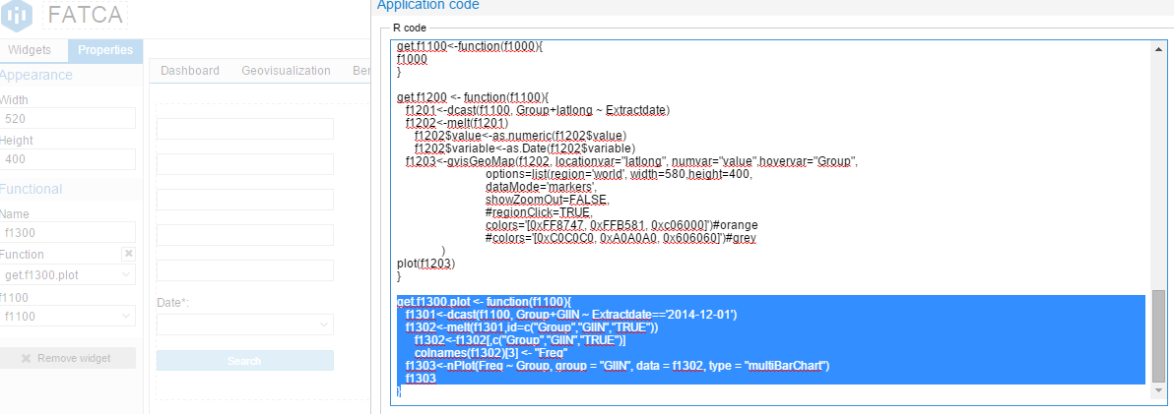 | App:https://www.intuitics.com/staging/#app/7/builder/interface function f1300 is a rchart request in tab "Group review" | does not know how to deploy the rchart | closed
2014-01-05 | 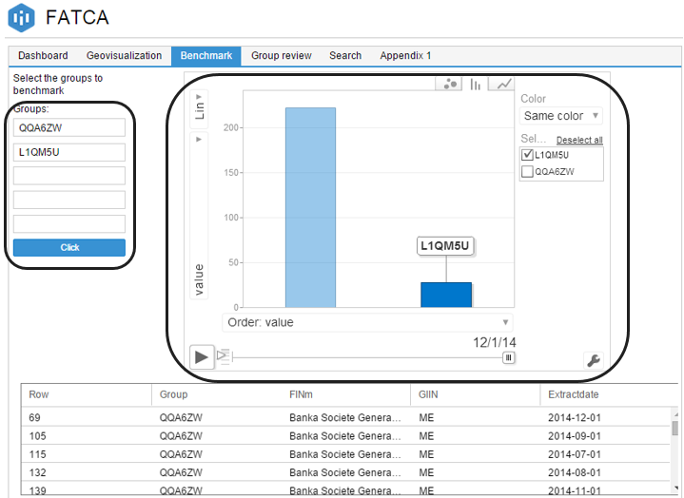 | App:https://www.intuitics.com/staging/#app/7/builder/interface I would like to put an image background for the section of the app | is it possible? | in progress
2014-01-05 |  | How can I get an iFrame for my website: for an free access from the user | I wou | in progress
2014-01-05 | 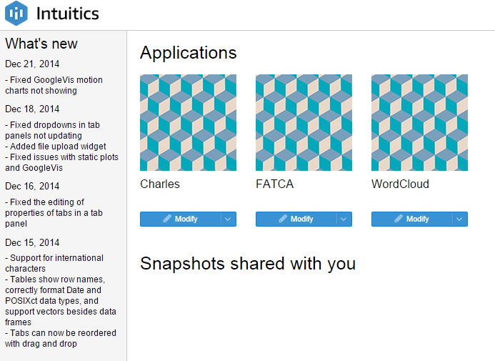 | the demo profile grant access to the catalog | I would like to give access to the app only | in progress
Empty !
2015-01-14 |  | want to modify my app | I am expecting to see my app after clicking on modify, sometime the screen appears empty. This happens frequently these last 2 days | new

Test1-20140912 0800 CH time
Snapshots | Steps | Description

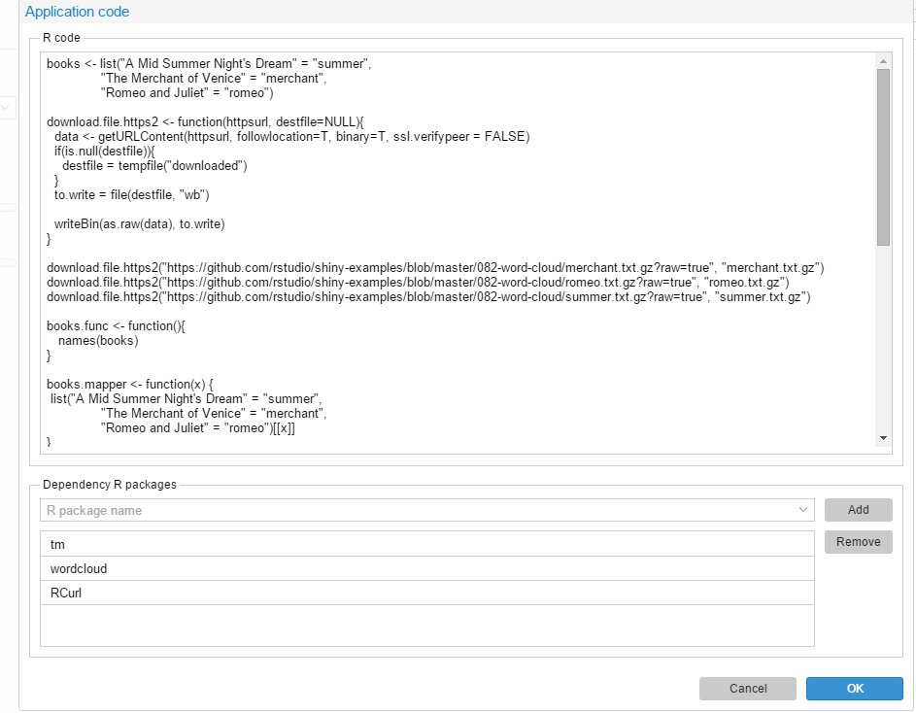

 | 1 | I insert the R code in </code>

 | 2 | I select the packages

 | 3 | I trigger the OK button

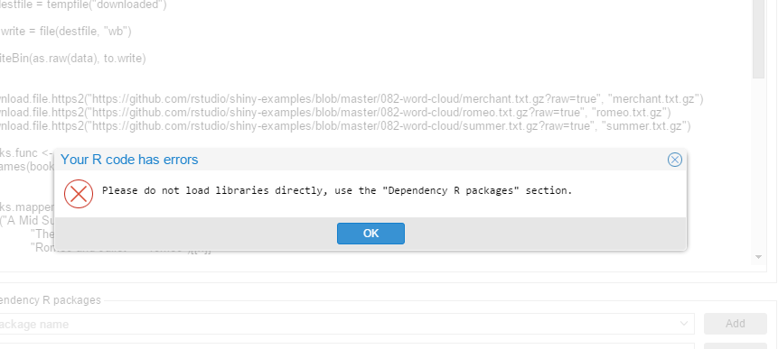

 | RESULT | Error message

